Disclaimer Read Before Proceed
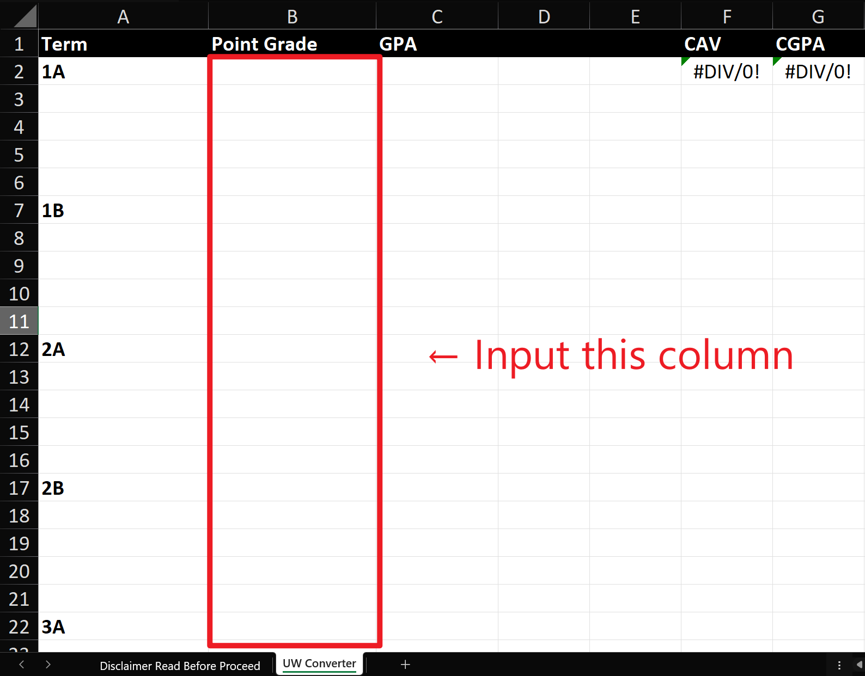
Thanks for using this converter. Before you proceed to the next sheet, please be reminded of the following facts.
Conversion table referenced from OUAC on 2025/Sep/15. See https://www.ouac.on.ca/guide/undergraduate-grade-conversion-table/
The converter only converts the whole number point scores from the University of Waterloo transcript to the 4.0 scale GPA
Important: Don't beat me if I set something up wrong. Check yourself!

